BAYU AGNI MERTA (Gas)
DATE | INV NO. | DESCRIPTIONS | QTY | BILLS | PRICE | TOTAL
12-Feb-2026 | 0189 | LPG 50 KG | 5 | 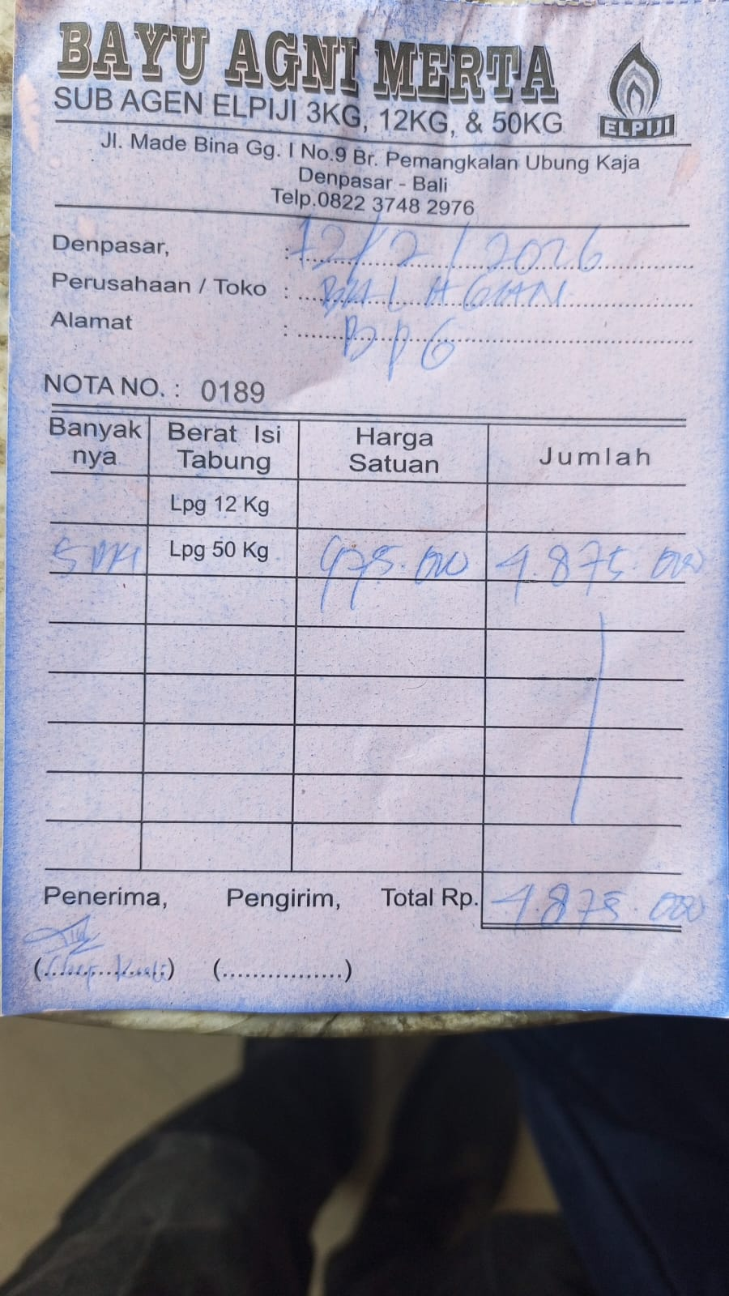 | IDR 975,000 | IDR 4,875,000
27-Feb-2026 | 0196 | LPG 50 KG | 4 | 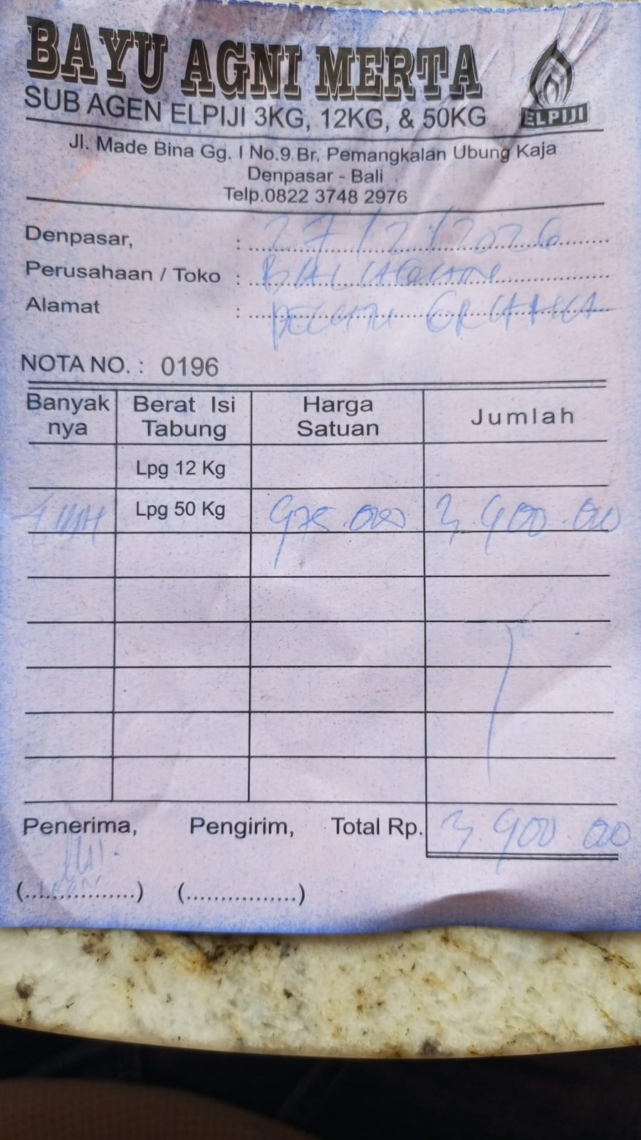 | IDR 975,000 | IDR 3,900,000
 |  |  |  |  |  | IDR -
TOTAL |  |  |  | Rp8,775,000

